Sheet1
Number | Steps | Expected result | Screenshots
1 | 1. Navigate to www.humanity.com 2. Click on “Login” button 3. In Email field enter correct email address 4. In Password field enter correct password 5. Click on “Log in” button | ER: Humanity dashboard opens | 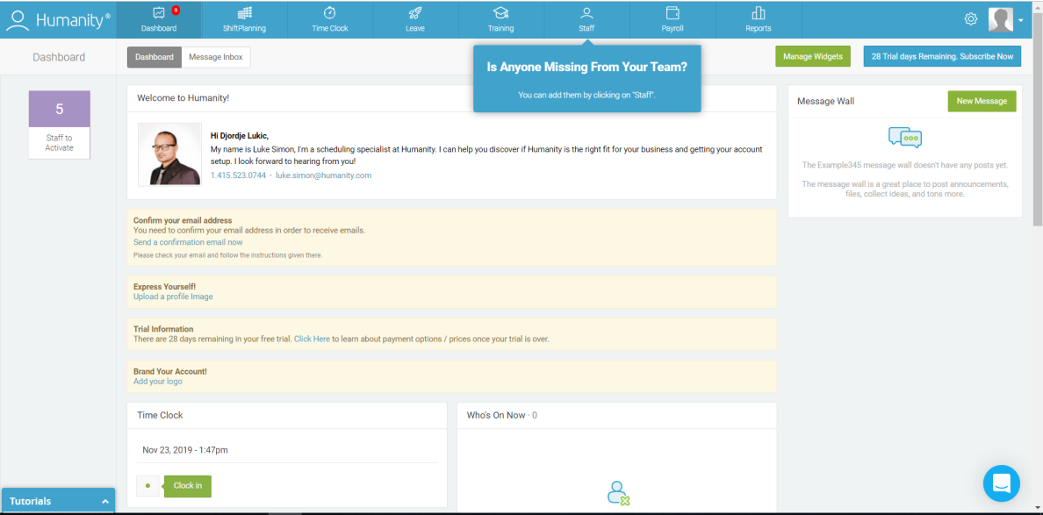
2 | 1. Navigate to www.humanity.com 2. Click on “Login” button 3. In Email field enter correct email address 4. In Password field enter invalid password 5. Click on “Log in” button | ER: Following message is displayed: Your username/email or password is incorrect. Please try again or click Forgot Password. | 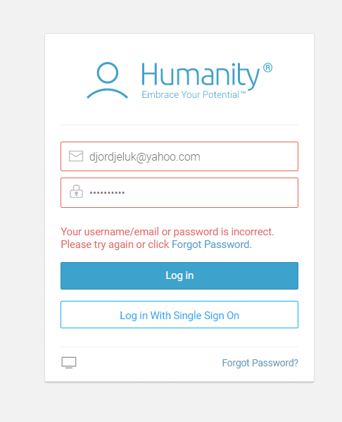
3 | 1. Navigate to www.humanity.com 2. Click on “Login” button 3. In Email field enter invalid email address 4. In Password field enter correct Password 5. Click on “Log in” button | ER: Following message is displayed: Your username/email or password is incorrect. Please try again or click Forgot Password. | 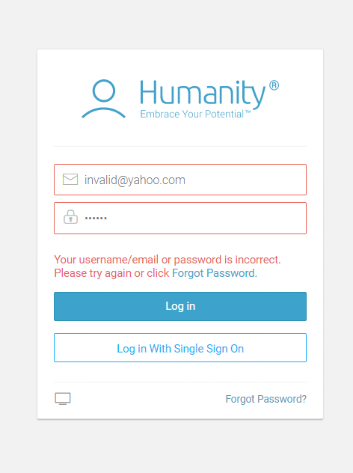
4 | 1. Navigate to www.humanity.com 2. Click on “Login” button 3. In Email field enter correct email address 4. Leave Password field blank 5. Click on “Log in” button | ER: Following message is displayed: Your username/email or password is incorrect. Please try again or click Forgot Password. | 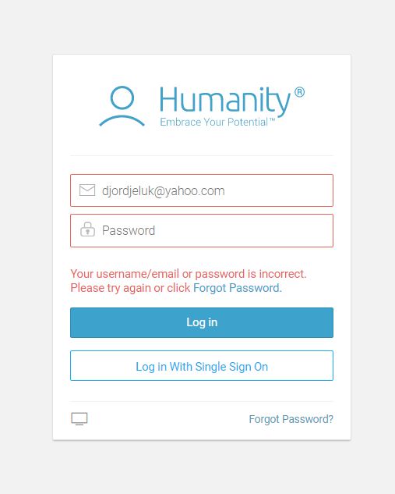
5 | 1. Navigate to www.humanity.com 2. Click on “Login” button 3. Leave Email field blank 4. In Password field enter correct Password 5. Click on “Log in” button | ER: Following message is displayed: Your username/email or password is incorrect. Please try again or click Forgot Password. | 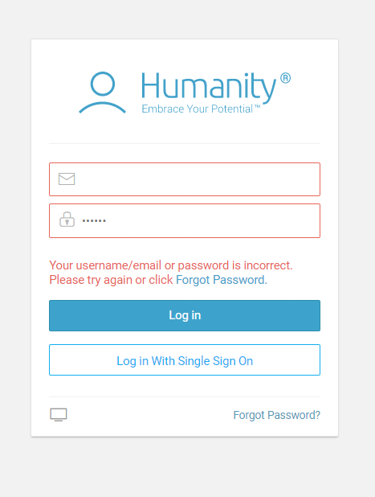
6 | 1. Navigate to www.humanity.com 2. Click on “Login” button 3. In Email field enter invalid email address 4. Leave Password field blank 5. Click on “Log in” button | ER: Following message is displayed: Your username/email or password is incorrect. Please try again or click Forgot Password. | 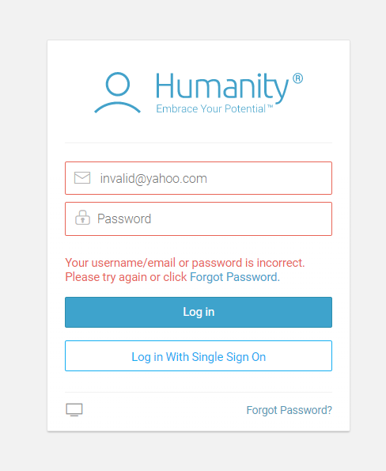
7 | 1. Navigate to www.humanity.com 2. Click on “Login” button 3. Leave Email field blank 4. In Password field enter invalid Password 5. Click on “Log in” button | ER: Following message is displayed: Your username/email or password is incorrect. Please try again or click Forgot Password. | 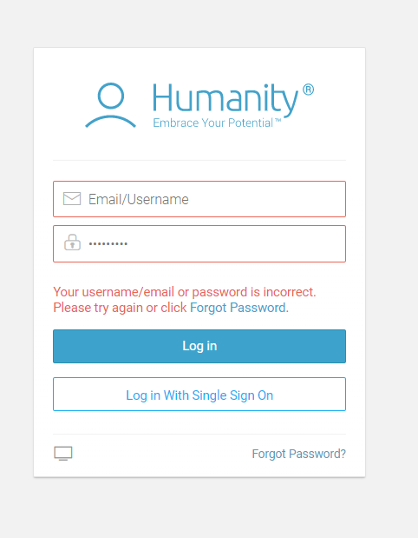
8 | 1. Navigate to www.humanity.com 2. Click on “Login” button 3. Leave Email field blank 4. Leave Password field blank 5. Click on “Log in” button | ER: Following message is displayed: Your username/email or password is incorrect. Please try again or click Forgot Password. | 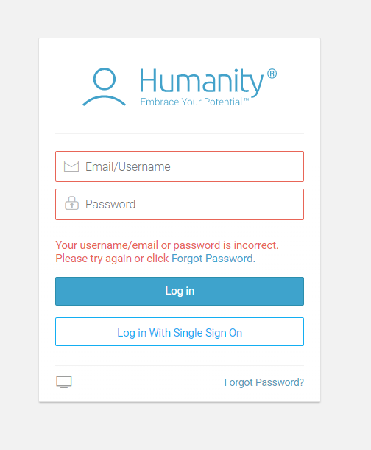
9 | 1. Navigate to www.humanity.com 2. Click on “Login” button 3. In Email field enter invalid Email 4. In Password field enter invalid Password 5. Click on “Log in” button | ER: Following message is displayed: Your username/email or password is incorrect. Please try again or click Forgot Password. | 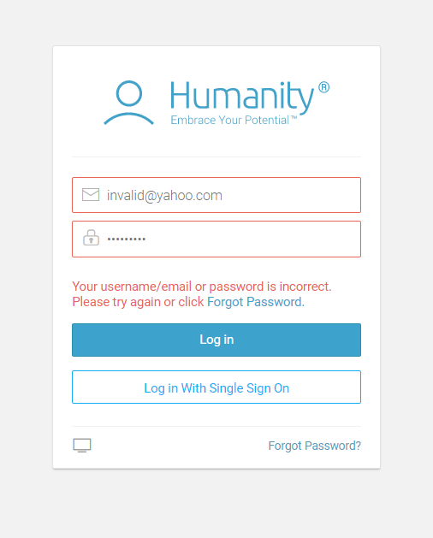
10 | 1. Navigate to www.humanity.com 2. Click on “Login” button 3. In Email field enter correct Email without @yahoo.com part 4. In Password field enter correct Password 5. Click on “Log in” button | 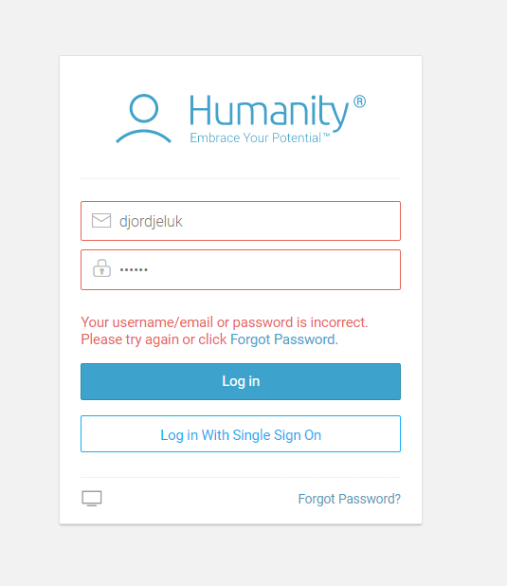 ER: Following message is displayed: Your username/email or password is incorrect. Please try again or click Forgot Password.
11 | 1. Navigate to www.humanity.com 2. Click on “Login” button 3. In Email field enter only digits 4. In Password field enter correct Password 5. Click on “Log in” button | ER: Following message is displayed: Your username/email or password is incorrect. Please try again or click Forgot Password. | 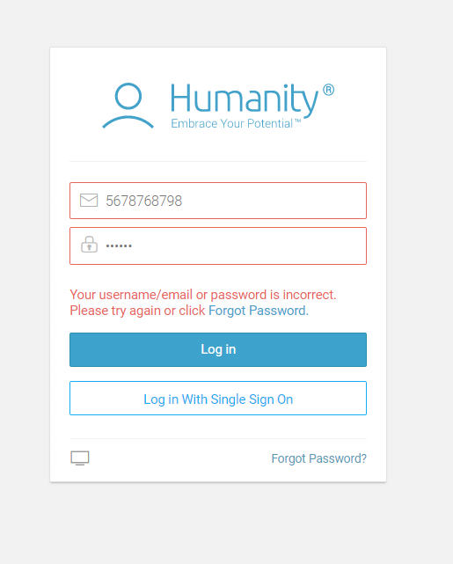
12 | 1. Navigate to www.humanity.com 2. Click on “Login” button 3. In Email field enter only special characters 4. In Password field enter correct Password 5. Click on “Log in” button | ER: Following message is displayed: Your username/email or password is incorrect. Please try again or click Forgot Password. | 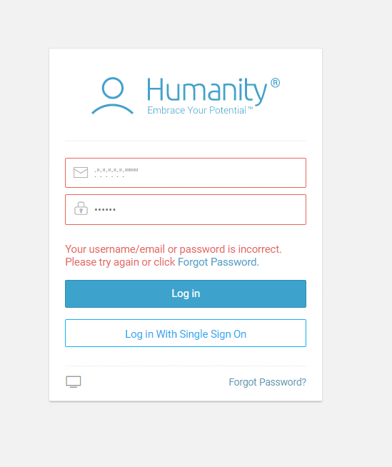
13 | 1. Navigate to www.humanity.com 2. Click on “Login” button 3. In Email field enter email 4. In Password field enter correct Password 5. Click on “Log in” button | ER: Error message is not displayed | 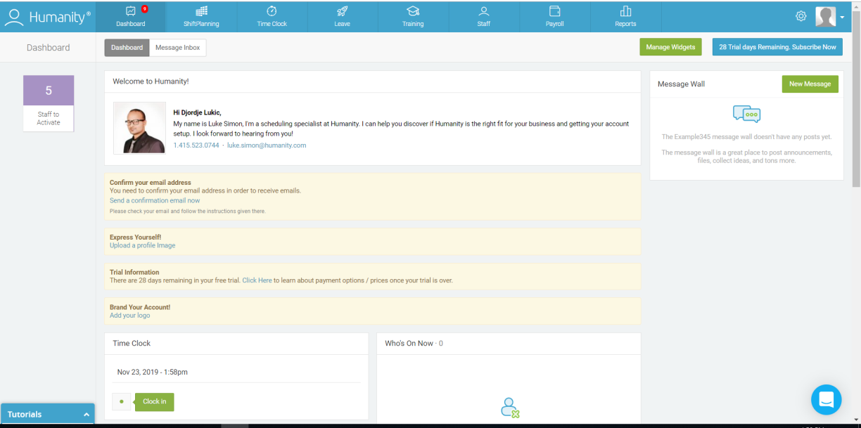
14 | 1. Navigate to www.humanity.com 2. Click on “Login” button 3. In Email field enter email 4. In Password field enter password | ER: Characters in password field are encrypted | 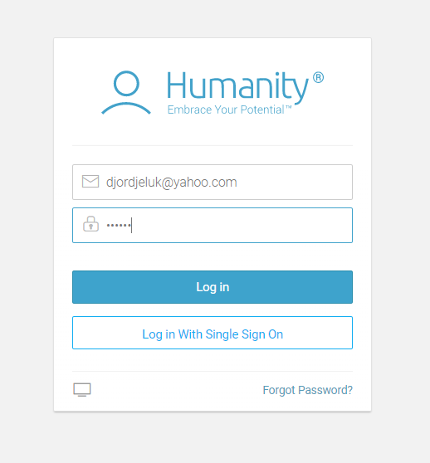
15 | 1. Navigate to www.humanity.com 2. Click on “Login” button 3. In Email field enter email 4. In Password field enter invalid Password | ER: Error message is properly displayed. | 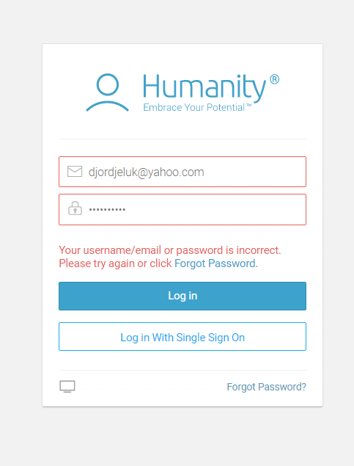
16 | 1. Navigate to www.humanity.com 2. Click on “Login” button 3. In Email field enter email 4. In Password field enter correct Password 5. Click on “Log in” button ER: Successful login 6. Click Back button | ER: You are still logged on application | 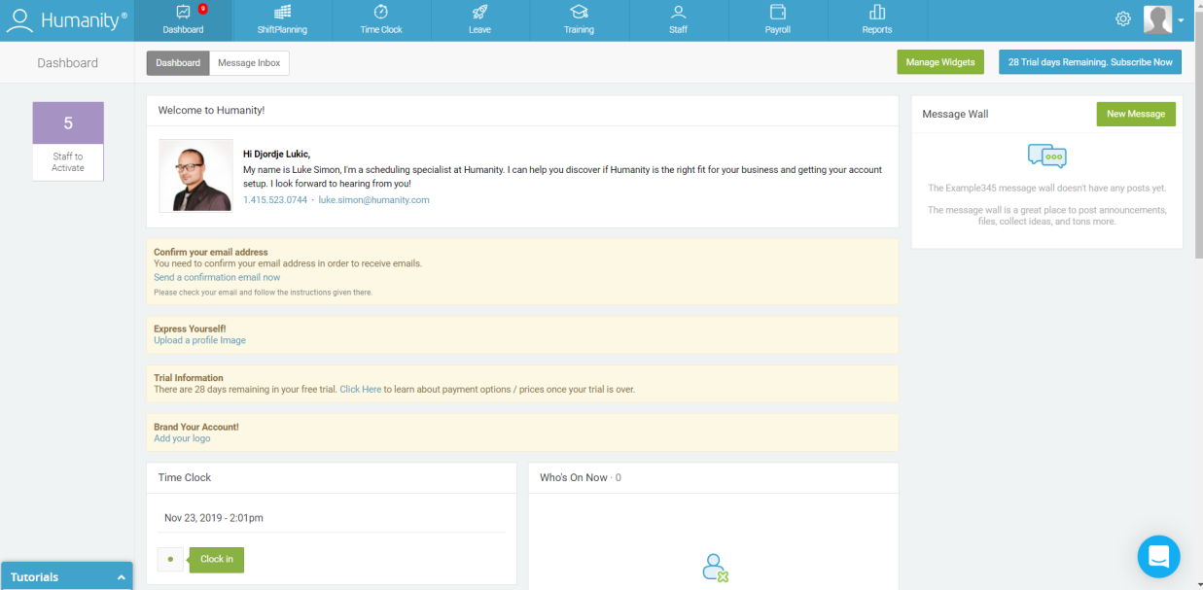
17 | 1. Navigate to www.humanity.com 2. Click on “Login” button 3. In Email field enter email 4. In Password field enter correct Password 5. Right click on Password field, and select Inspect | ER: Password is not visible | 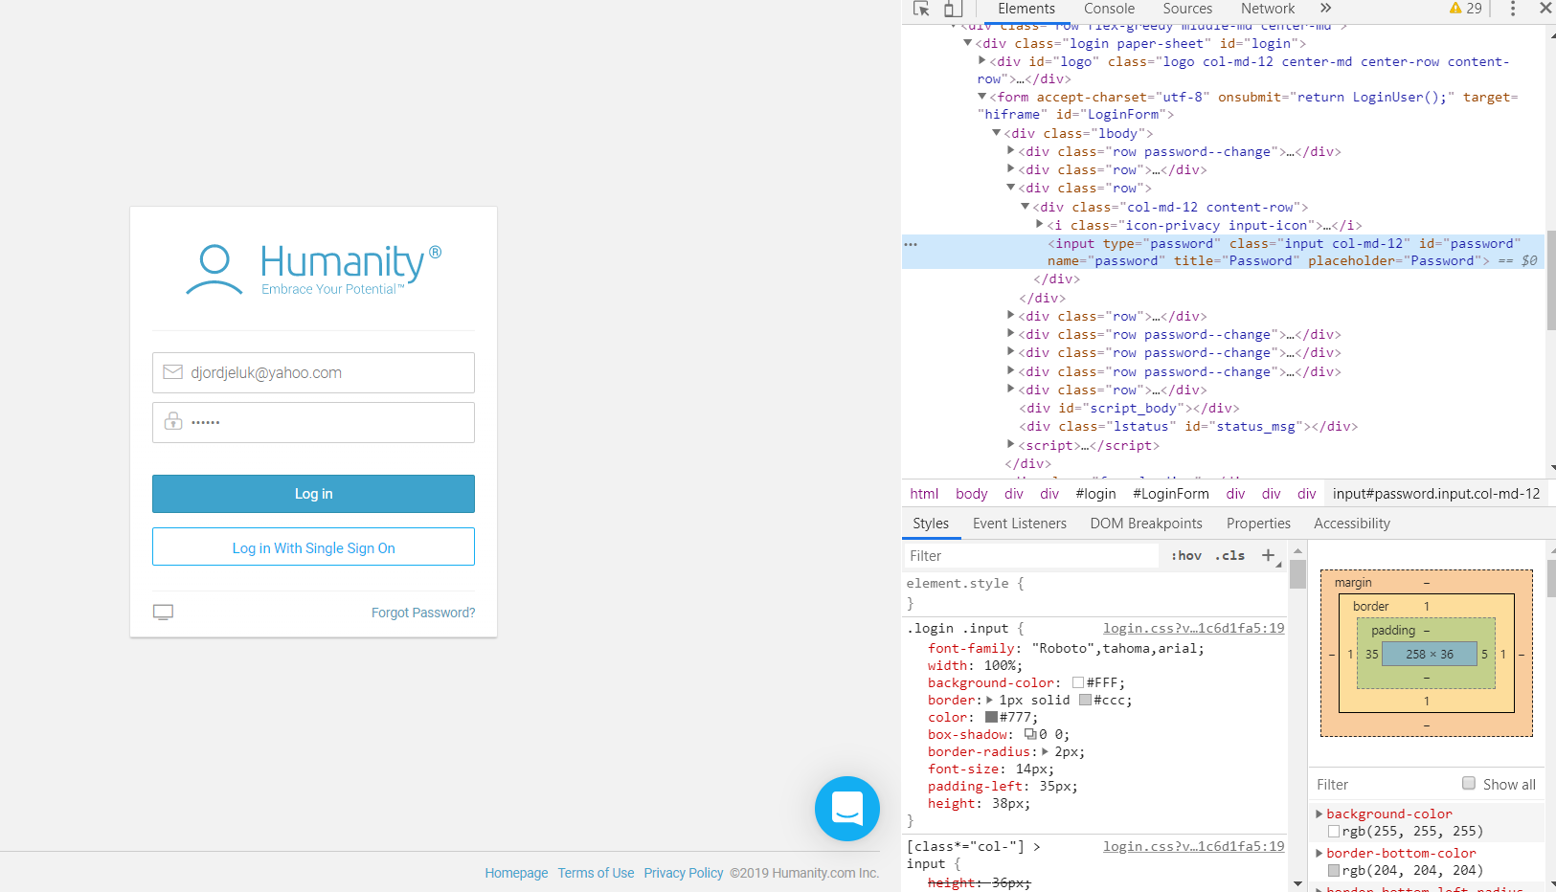
18 | 1. Navigate to www.humanity.com 2. Click on “Login” button 3. In Email field enter email 4. In Password field enter correct Password 5. Click on “Log in” button ER: Successful login 6. Close the page 7. Navigate back to page | ER: You are still logged on application | 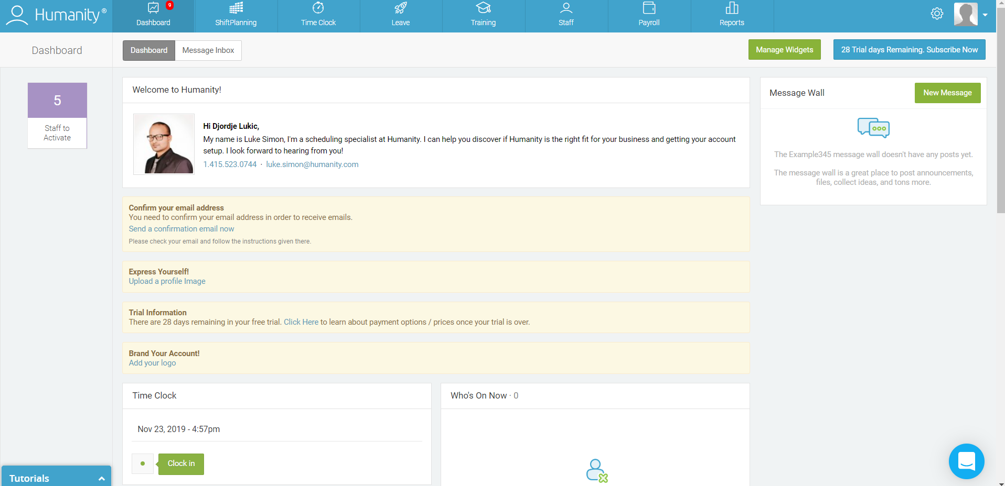
19 | 1. Navigate to www.humanity.com 2. Click on “Login” button 3. Click “Forgot password” button | ER: Reset password page is displayed | 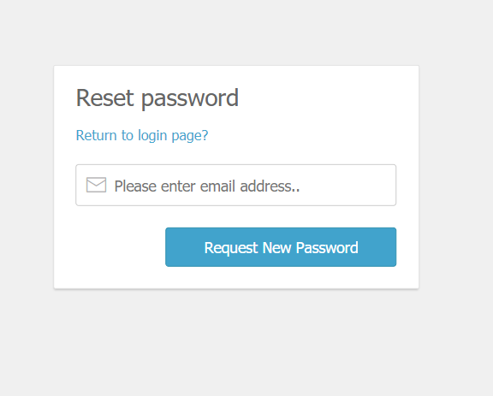
20 | 1. Navigate to www.humanity.com 2. Click on “Login” button 3. Fill email field with correct email 4. Fill password field with correct password 5. Click “Forgot password” button | ER: Reset password page is displayed | 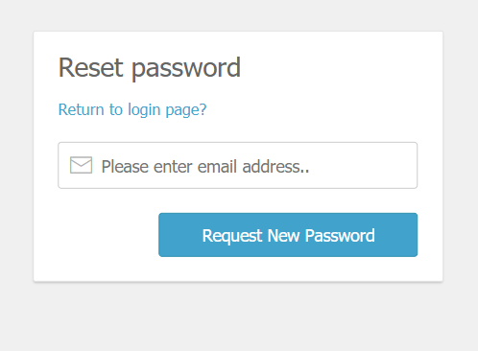
21 | 1. Navigate to www.humanity.com 2. Click on “Login” button 3. Fill email field with correct email 4. Fill password field with correct password 5. Click “Forgot password” button ER: Reset password page is displayed 6. Click on “Return to login page” button | ER: Login page with all elements is displayed | 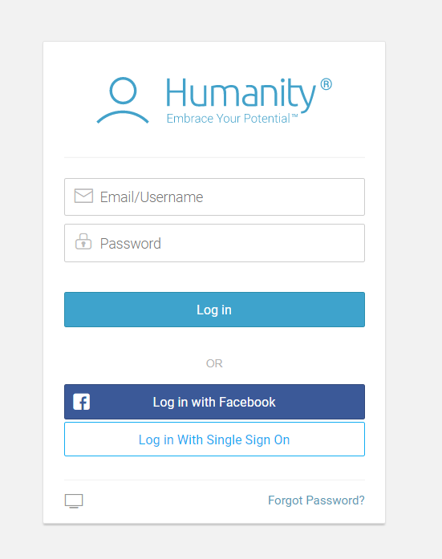
22 | 1. Login to Humanity application 2. Click on “Shift planning” button 3. Click on “Add employees” button | ER: Add Employees page is displayed | 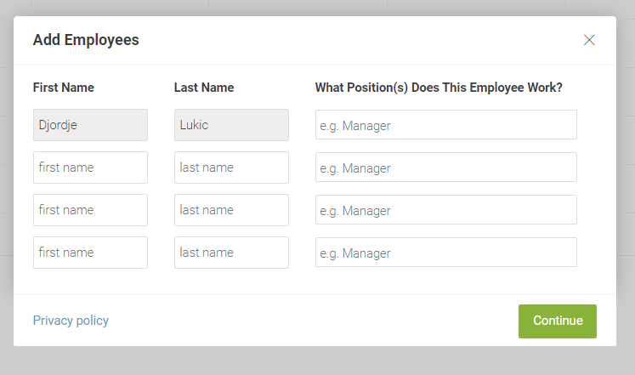
23 | 1. Login to Humanity application 2. Click on “Shift planning” button 3. Click on “Add employees” button 4. On “Add Employees” page fill First Name field 5. Fill Last Name field 6. In third field select position for employer 7. Click Continue button | ER: Employer is successfully added | 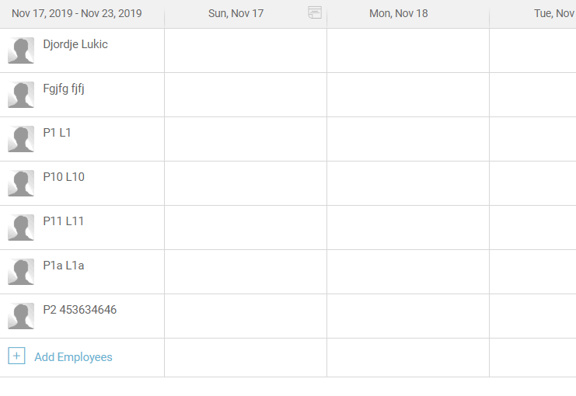
24 | 1. Login to Humanity application 2. Click on “Shift planning” button 3. Click on “Add employees” button 4. On “Add Employees” page fill First Name field 5. Click Continue button | ER: “Please make sure you've entered a first and last name as well as a valid position assignment” error message is displayed | 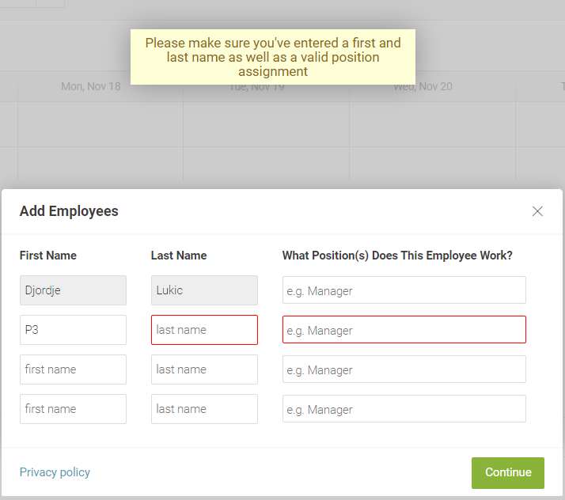
25 | 1. Login to Humanity application 2. Click on “Shift planning” button 3. Click on “Add employees” button 4. On “Add Employees” page fill Last Name field 5. Click Continue button | ER: “Please make sure you've entered a first and last name as well as a valid position assignment” error message is displayed | 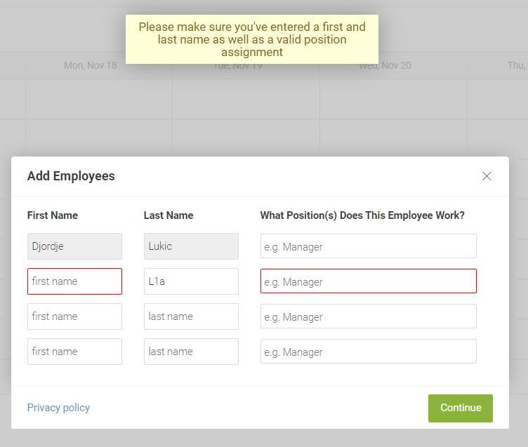
26 | 1. Login to Humanity application 2. Click on “Shift planning” button 3. Click on “Add employees” button 4. In third field select position for employer 5. Click Continue button | ER: “Please make sure you've entered a first and last name as well as a valid position assignment” error message is displayed | 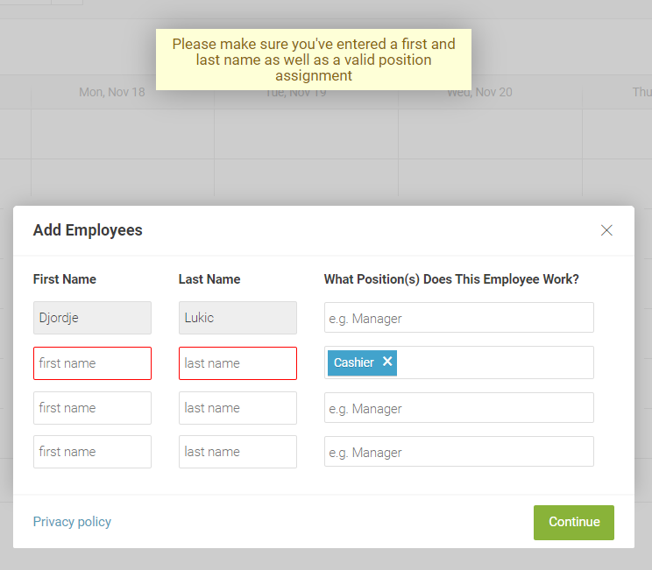
27 | 1. Login to Humanity application 2. Click on “Shift planning” button 3. Click on “Add employees” button 4. On “Add Employees” page fill First Name field 5. Fill Last Name field 6. In third field select position for employer 7. Click Continue button ER: Employer is successfully added 8.Click on newly added employer | ER: All filled information are displayed correctly | 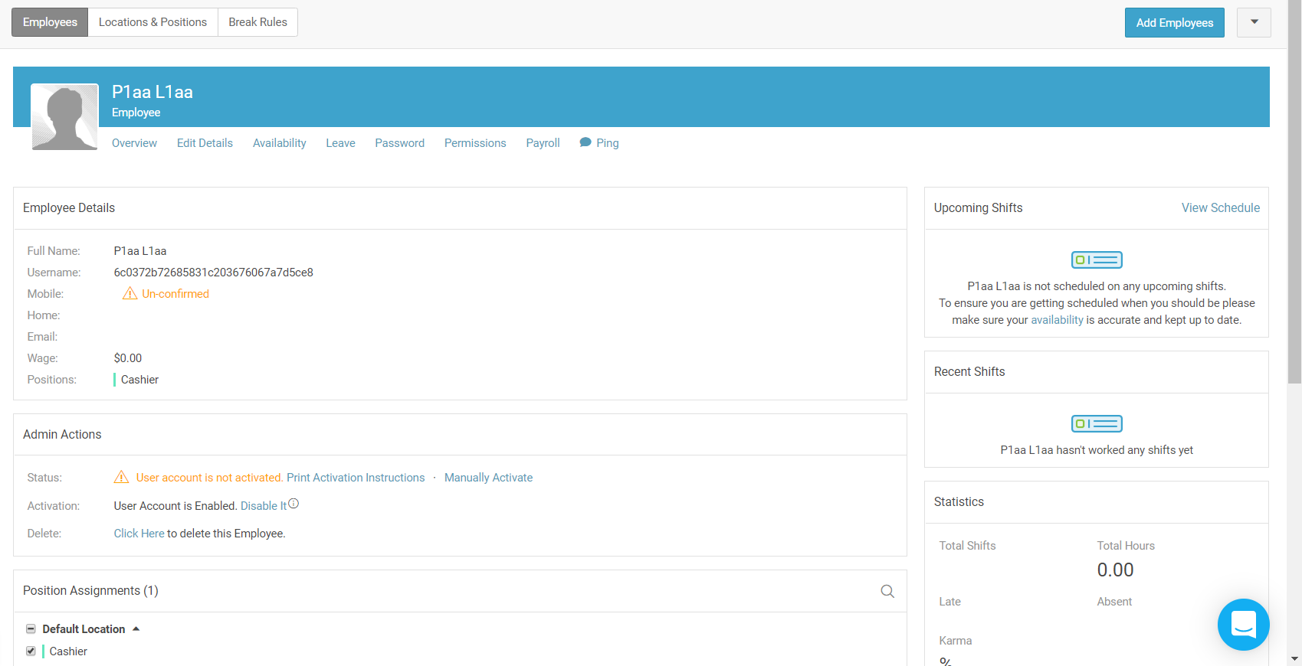
28 | 1. Login to Humanity application 2. Click on “Shift planning” button 3. Click on “Add employees” button 4. Click Continue button | ER: Following message is displayed: You must enter a first name, last name and a position for at least one employee. If you've entered a position, please make sure it is a valid one. | 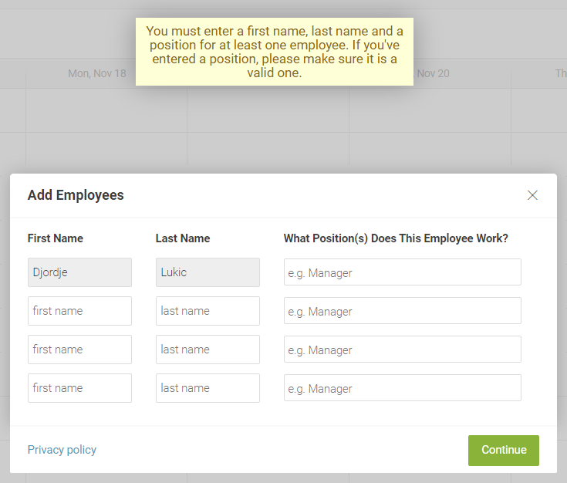
29 | 1. Navigate to www.humanity.com 2. Click on “Login” button 3. In Email field enter correct email address 4. In Password field enter correct password 5. Click on “Log in” button ER: Humanity dashboard opens 6. In right corner of the page click Sign out button | ER: Login page with all elements is displayed | 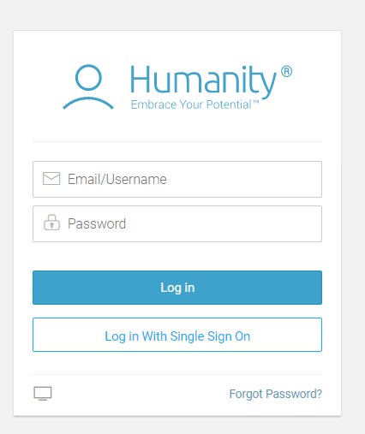
30 | 1. Navigate to www.humanity.com 2. Click on “Login” button 3. In Email field enter correct email address with caps lock 4. In Password field enter correct password with caps lock 5. Click on “Log in” button | ER: Following message is displayed: Your username/email or password is incorrect. Please try again or click Forgot Password. | 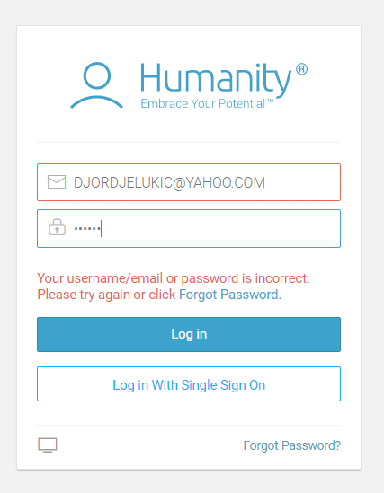

All test cases need to be tested through different browsers(IE, Chrome, Mozzila etc.)

